INTRO
DANI

Automated CSS & twitter bootstrap
HTML layouts builder version1
Automated CSS & twitter bootstrap
HTML layouts builder version1

web tools
border radius

web fonts

SVG editor

index
ADVISE: THIS FILE IS NOT FOR CREATING ICONS OR EDITING IMAGES

tools

STUPID LAYOUT1
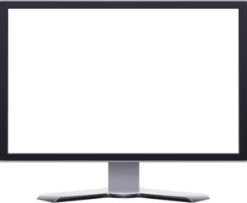
Stupid layouts mean very basic designs, no great secrets at all
No grid navbar
Description: Top navbar, two columns, left is for menu and is fixed.
Fixed left menu
Scrollable main content

No grid footer

STUPID LAYOUT1 (2)
Stupid layouts mean very basic designs, no great secrets at all
No grid navbar
Fixed left menu
Scrollable main content
Fixed right column
Description: Top navbar, three columns, left and right are fixed, center is scrollable

No grid footer

Fonts
Free cool fonts: http://cssfontstack.com/
Avant garde (not contained in Excel fonts): great for big fonts

